BRIDGE 1
 |  |  | NUMBER | DEFINITION | ANSWER | ACTIONS
 |  |  | 3 | What the software system must do to address the opportunity and satisfy the stakeholders.
 |  |  |  |  |  |  | GUESS THE SENTENCE

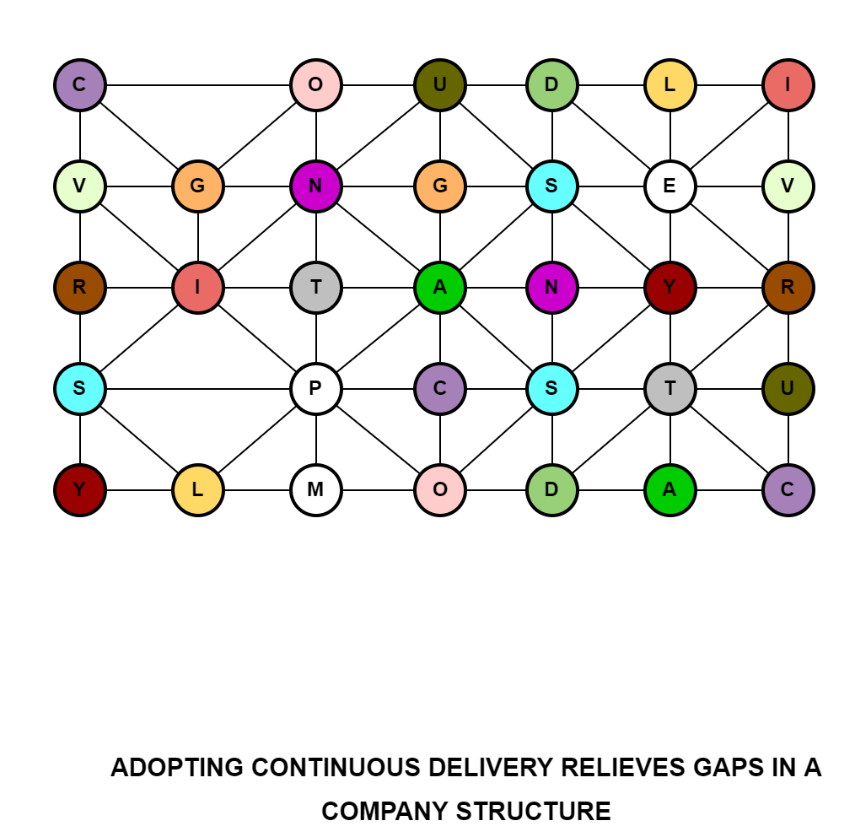

1 | Is a directed connection from one state in a state machine to a state in that state machine. | TRANSITION
2 | An essential element of the software engineering endeavor that is relevant to an assessment of the progress and health of the endeavor | ALPHA
3 | What the software system must do to address the opportunity and satisfy the stakeholders. | REQUIREMENTS
4 | The people, groups, or organizations that affect or are affected by a software system. | STAKEHOLDERS
5 | The process for detecting, locating and correcting faults in a computer program. Techniques include use of breakpoints, desk checking, dumbs, inspection, reversible execution, single-step operation, and traces. | DEBUGGING
6 | Restrictions, policies, or regulatory requirements the team must comply with. | CONSTRAINTS
7 | Human action that results in software containing a fault. Examples include omission or mis interpretation of user requirements in a software specification, incorrect translation or omission of a requirement in the design specification. | ERROR
8 | This competency enables a person to inspire and motivate a group of people to achieve a successful conclusion to their work and to meet their objectives. | LEADERSHIP
9 | Is the composition of a Kernel and a set of Practices to fulfill a specific purpose | METHOD
10 | Is a description of a structure in a practice. | PATTERN
11 | A measure of an executable software unit's or system's functionality. | USABILITY
12 | Physical equipment used to process, store, or transmit computer programs or data. | GENERALITY
13 | Is a software-defined data center (SDDC) company headquartered in Bloomfield Township, Michigan. | YOTTABYTE
14 | A quantity or data item whose value can change. | VARIABLE
15 | The set of circumstances that makes it appropriate to develop or change a software system. | OPPORTUNITY
16 | Is a proposition about an instance of a language element which is true if the instance is used in a language construct as intended by the specification. | INVARIANT
17 | The representation of a state or an event by means of a point on a diagram | NODE

1 | Is a directed connection from one state in a state machine to a state in that state machine. | TRANSITION
2 | An essential element of the software engineering endeavor that is relevant to an assessment of the progress and health of the endeavor | ALPHA
3 | What the software system must do to address the opportunity and satisfy the stakeholders. | REQUIREMENTS
4 | The people, groups, or organizations that affect or are affected by a software system. | STAKEHOLDERS
5 | The process for detecting, locating and correcting faults in a computer program. Techniques include use of breakpoints, desk checking, dumbs, inspection, reversible execution, single-step operation, and traces. | DEBUGGING
6 | Restrictions, policies, or regulatory requirements the team must comply with. | CONSTRAINTS
7 | Human action that results in software containing a fault. Examples include omission or mis interpretation of user requirements in a software specification, incorrect translation or omission of a requirement in the design specification. | ERROR
8 | This competency enables a person to inspire and motivate a group of people to achieve a successful conclusion to their work and to meet their objectives. | LEADERSHIP
9 | Is the composition of a Kernel and a set of Practices to fulfill a specific purpose | METHOD
10 | Is a description of a structure in a practice. | PATTERN
11 | A measure of an executable software unit's or system's functionality. | USABILITY
12 | Physical equipment used to process, store, or transmit computer programs or data. | GENERALITY
13 | Is a software-defined data center (SDDC) company headquartered in Bloomfield Township, Michigan. | YOTTABYTE
14 | A quantity or data item whose value can change. | VARIABLE
15 | The set of circumstances that makes it appropriate to develop or change a software system. | OPPORTUNITY
16 | Is a proposition about an instance of a language element which is true if the instance is used in a language construct as intended by the specification. | INVARIANT
17 | The representation of a state or an event by means of a point on a diagram | NODE

BRIDGE 2
 |  |  | NUMBER | DEFINITION | ANSWER | ACTIONS
 |  |  | 5 | The process for detecting, locating and correcting faults in a computer program. Techniques include use of breakpoints, desk checking, dumbs, inspection, reversible execution, single-step operation, and traces.
 |  |  |  |  |  |  | GUESS THE SENTENCE

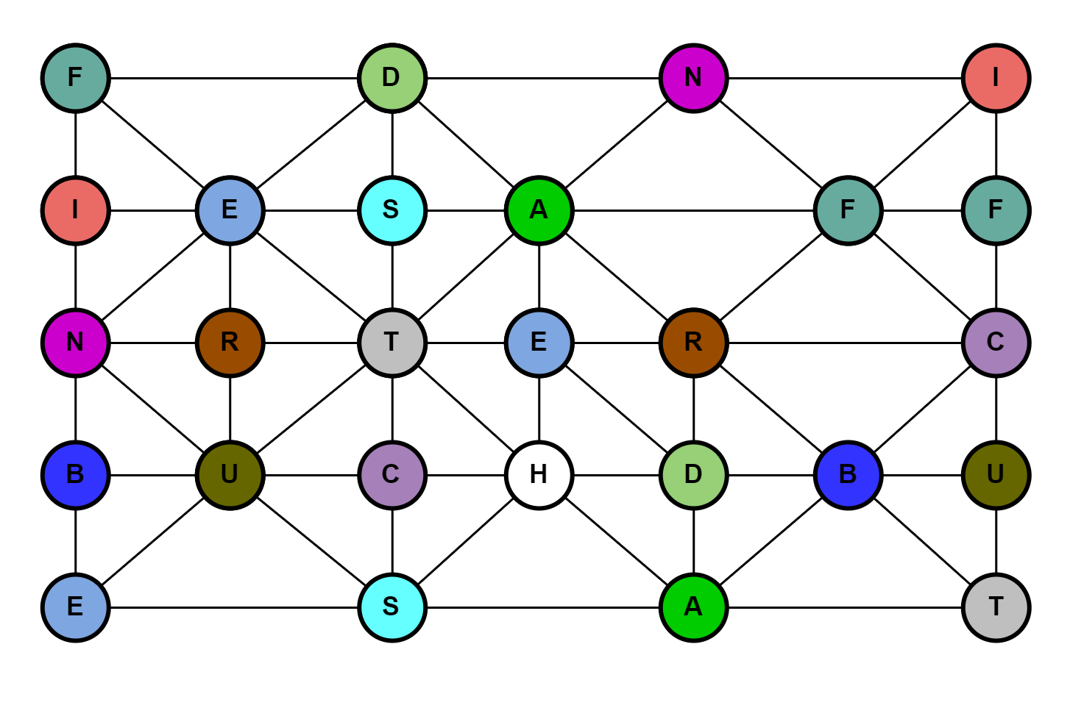

1 | Is a directed connection from one state in a state machine to a state in that state machine. | TRANSITION
2 | An essential element of the software engineering endeavor that is relevant to an assessment of the progress and health of the endeavor | ALPHA
3 | What the software system must do to address the opportunity and satisfy the stakeholders. | REQUIREMENTS
4 | The people, groups, or organizations that affect or are affected by a software system. | STAKEHOLDERS
5 | The process for detecting, locating and correcting faults in a computer program. Techniques include use of breakpoints, desk checking, dumbs, inspection, reversible execution, single-step operation, and traces. | DEBUGGING
6 | Restrictions, policies, or regulatory requirements the team must comply with. | CONSTRAINTS
7 | Human action that results in software containing a fault. Examples include omission or mis interpretation of user requirements in a software specification, incorrect translation or omission of a requirement in the design specification. | ERROR
8 | A manifestation of an error in software. | FAULT
9 | An error, flaw, or fault in a Software System that causes the system to fail to perform as required | BUG
10 | Physical equipment used in data processing, as opposed to computer programs, procedures, rules, and associated documentation. | HARDWARE
11 | A measure of an executable software unit's or system's functionality. | USABILITY
12 | Is a proposition about an instance of a language element which is true if the instance is used in a language construct as intended by the specification. | INVARIANT
13 | The representation of a state or an event by means of a point on a diagram | NODE

1 | Is a directed connection from one state in a state machine to a state in that state machine. | TRANSITION
2 | An essential element of the software engineering endeavor that is relevant to an assessment of the progress and health of the endeavor | ALPHA
3 | What the software system must do to address the opportunity and satisfy the stakeholders. | REQUIREMENTS
4 | The people, groups, or organizations that affect or are affected by a software system. | STAKEHOLDERS
5 | The process for detecting, locating and correcting faults in a computer program. Techniques include use of breakpoints, desk checking, dumbs, inspection, reversible execution, single-step operation, and traces. | DEBUGGING
6 | Restrictions, policies, or regulatory requirements the team must comply with. | CONSTRAINTS
7 | Human action that results in software containing a fault. Examples include omission or mis interpretation of user requirements in a software specification, incorrect translation or omission of a requirement in the design specification. | ERROR
8 | A manifestation of an error in software. | FAULT
9 | An error, flaw, or fault in a Software System that causes the system to fail to perform as required | BUG
10 | Physical equipment used in data processing, as opposed to computer programs, procedures, rules, and associated documentation. | HARDWARE
11 | A measure of an executable software unit's or system's functionality. | USABILITY
12 | Is a proposition about an instance of a language element which is true if the instance is used in a language construct as intended by the specification. | INVARIANT
13 | The representation of a state or an event by means of a point on a diagram | NODE

BRIDGE 3
 |  |  | NUMBER | DEFINITION | ANSWER | ACTIONS
 |  |  | 5 | The process for detecting, locating and correcting faults in a computer program. Techniques include use of breakpoints, desk checking, dumbs, inspection, reversible execution, single-step operation, and traces.
 |  |  |  |  |  |  | GUESS THE SENTENCE

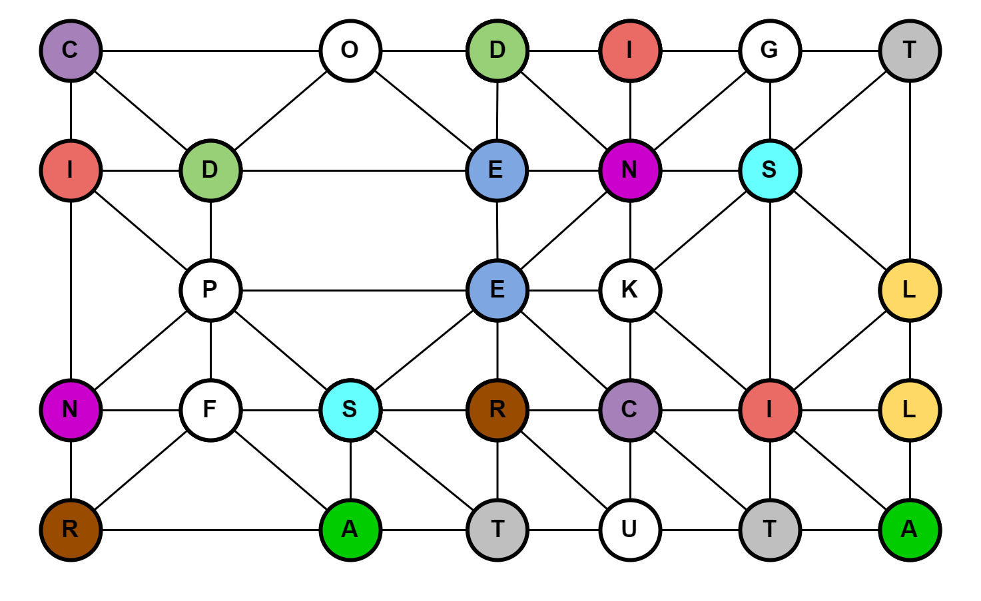

1 | Is a directed connection from one state in a state machine to a state in that state machine. | TRANSITION
2 | An essential element of the software engineering endeavor that is relevant to an assessment of the progress and health of the endeavor | ALPHA
3 | What the software system must do to address the opportunity and satisfy the stakeholders. | REQUIREMENTS
4 | The people, groups, or organizations that affect or are affected by a software system. | STAKEHOLDERS
5 | The process for detecting, locating and correcting faults in a computer program. Techniques include use of breakpoints, desk checking, dumbs, inspection, reversible execution, single-step operation, and traces. | DEBUGGING
6 | Restrictions, policies, or regulatory requirements the team must comply with. | CONSTRAINTS
7 | Human action that results in software containing a fault. Examples include omission or mis interpretation of user requirements in a software specification, incorrect translation or omission of a requirement in the design specification. | ERROR
8 | A manifestation of an error in software. | FAULT
9 | This competency enables a person to inspire and motivate a group of people to achieve a successful conclusion to their work and to meet their objectives. | LEADERSHIP
10 | Is a description of a structure in a practice. | PATTERN
11 | A measure of an executable software unit's or system's functionality. | USABILITY
12 | Is a proposition about an instance of a language element which is true if the instance is used in a language construct as intended by the specification. | INVARIANT
13 | The representation of a state or an event by means of a point on a diagram | NODE
14 | The set of circumstances that makes it appropriate to develop or change a software system. | OPPORTUNITY
15 | Physical equipment used to process, store, or transmit computer programs or data. | GENERALITY
16 | Is a set of elements used to form a common ground for describing a software engineering endeavor. | KERNEL

1 | Is a directed connection from one state in a state machine to a state in that state machine. | TRANSITION
2 | An essential element of the software engineering endeavor that is relevant to an assessment of the progress and health of the endeavor | ALPHA
3 | What the software system must do to address the opportunity and satisfy the stakeholders. | REQUIREMENTS
4 | The people, groups, or organizations that affect or are affected by a software system. | STAKEHOLDERS
5 | The process for detecting, locating and correcting faults in a computer program. Techniques include use of breakpoints, desk checking, dumbs, inspection, reversible execution, single-step operation, and traces. | DEBUGGING
6 | Restrictions, policies, or regulatory requirements the team must comply with. | CONSTRAINTS
7 | Human action that results in software containing a fault. Examples include omission or mis interpretation of user requirements in a software specification, incorrect translation or omission of a requirement in the design specification. | ERROR
8 | A manifestation of an error in software. | FAULT
9 | This competency enables a person to inspire and motivate a group of people to achieve a successful conclusion to their work and to meet their objectives. | LEADERSHIP
10 | Is a description of a structure in a practice. | PATTERN
11 | A measure of an executable software unit's or system's functionality. | USABILITY
12 | Is a proposition about an instance of a language element which is true if the instance is used in a language construct as intended by the specification. | INVARIANT
13 | The representation of a state or an event by means of a point on a diagram | NODE
14 | The set of circumstances that makes it appropriate to develop or change a software system. | OPPORTUNITY
15 | Physical equipment used to process, store, or transmit computer programs or data. | GENERALITY
16 | Is a set of elements used to form a common ground for describing a software engineering endeavor. | KERNEL

BRIDGE 4
 |  |  | NUMBER | DEFINITION | ANSWER | ACTIONS
 |  |  | 15 | The representation of a state or an event by means of a point on a diagram
 |  |  |  |  |  |  | GUESS THE SENTENCE

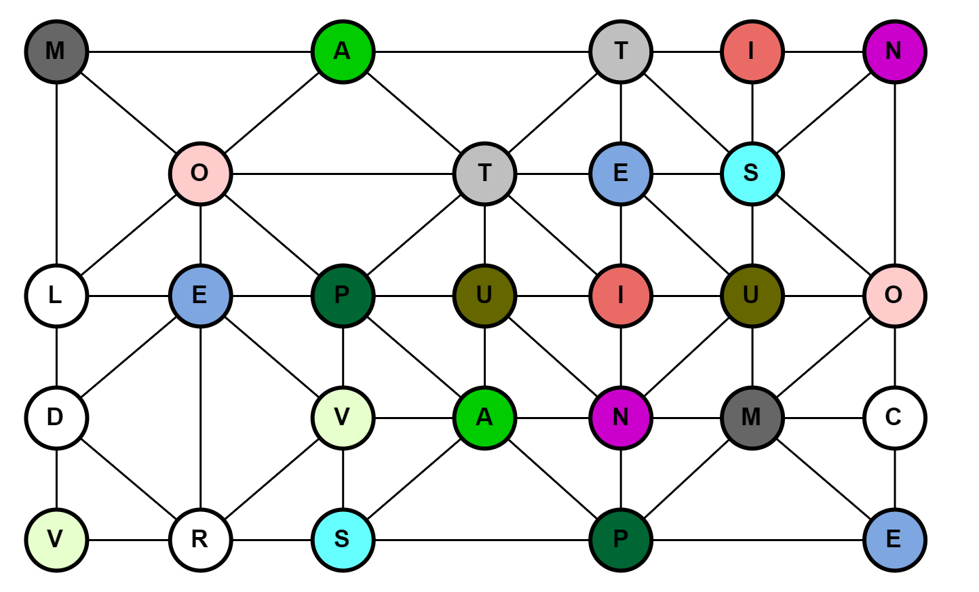

1 | Is a directed connection from one state in a state machine to a state in that state machine. | TRANSITION
2 | An essential element of the software engineering endeavor that is relevant to an assessment of the progress and health of the endeavor | ALPHA
3 | What the software system must do to address the opportunity and satisfy the stakeholders. | REQUIREMENTS
4 | The people, groups, or organizations that affect or are affected by a software system. | STAKEHOLDERS
5 | The process for detecting, locating and correcting faults in a computer program. Techniques include use of breakpoints, desk checking, dumbs, inspection, reversible execution, single-step operation, and traces. | DEBUGGING
6 | Restrictions, policies, or regulatory requirements the team must comply with. | CONSTRAINTS
7 | Human action that results in software containing a fault. Examples include omission or mis interpretation of user requirements in a software specification, incorrect translation or omission of a requirement in the design specification. | ERROR
8 | This competency enables a person to inspire and motivate a group of people to achieve a successful conclusion to their work and to meet their objectives. | LEADERSHIP
9 | Is the composition of a Kernel and a set of Practices to fulfill a specific purpose | METHOD
10 | Is a description of a structure in a practice. | PATTERN
11 | A measure of an executable software unit's or system's functionality. | USABILITY
12 | A quantity or data item whose value can change. | VARIABLE
13 | The set of circumstances that makes it appropriate to develop or change a software system. | OPPORTUNITY
14 | Is a proposition about an instance of a language element which is true if the instance is used in a language construct as intended by the specification. | INVARIANT
15 | The representation of a state or an event by means of a point on a diagram | NODE

1 | Is a directed connection from one state in a state machine to a state in that state machine. | TRANSITION
2 | An essential element of the software engineering endeavor that is relevant to an assessment of the progress and health of the endeavor | ALPHA
3 | What the software system must do to address the opportunity and satisfy the stakeholders. | REQUIREMENTS
4 | The people, groups, or organizations that affect or are affected by a software system. | STAKEHOLDERS
5 | The process for detecting, locating and correcting faults in a computer program. Techniques include use of breakpoints, desk checking, dumbs, inspection, reversible execution, single-step operation, and traces. | DEBUGGING
6 | Restrictions, policies, or regulatory requirements the team must comply with. | CONSTRAINTS
7 | Human action that results in software containing a fault. Examples include omission or mis interpretation of user requirements in a software specification, incorrect translation or omission of a requirement in the design specification. | ERROR
8 | This competency enables a person to inspire and motivate a group of people to achieve a successful conclusion to their work and to meet their objectives. | LEADERSHIP
9 | Is the composition of a Kernel and a set of Practices to fulfill a specific purpose | METHOD
10 | Is a description of a structure in a practice. | PATTERN
11 | A measure of an executable software unit's or system's functionality. | USABILITY
12 | A quantity or data item whose value can change. | VARIABLE
13 | The set of circumstances that makes it appropriate to develop or change a software system. | OPPORTUNITY
14 | Is a proposition about an instance of a language element which is true if the instance is used in a language construct as intended by the specification. | INVARIANT
15 | The representation of a state or an event by means of a point on a diagram | NODE

